Sheet1
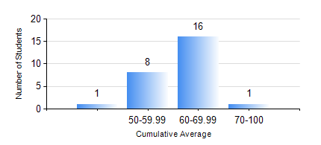
 |  |  | KWAME NKRUMAH UNIVERSITY OF SCIENCE AND TECHNOLOGY, KUMASI Department of Mechanical Engineering

 |  |  | BSC. MARINE ENG.

 |  |  | COMPREHENSIVE RECORD OF EXAMINATION RESULTS

 |  |  | RESULTS OF YEAR 4 FIRST SEMESTER, 2022/2023 ACADEMIC YEAR

 | Sn | Course Code |  | Course Name | Credit Hours | Min. Mark | Max. Mark | Avg. Mark | Std. Dev. | No. Passed | No. Trailed | No. (Df) | No. (I) | No. (I*) | No. Tagged(I,I*,Df) | Total
 | 1. | ME 453 |  | HYDRAULICS AND PNEUMATICS | 3 | 29 | 83 | 61 | 13.83 | 25 | 1 | 0 | 0 | 0 | 0 | 26
 | 2. | MME 465 |  | MARINE AIR CONDITIONING AND REFRIGERATION | 3 | 40 | 75 | 54 | 10.08 | 26 | 0 | 0 | 0 | 0 | 0 | 26
 | 3. | MME 467 |  | MARINE INTERNAL COMBUSTION ENGINES | 2 | 50 | 97 | 80 | 11.62 | 26 | 0 | 0 | 0 | 0 | 0 | 26
 | 4. | MME 473 |  | MARINE MACHINERY SYSTEM DESIGN | 2 | 67 | 72 | 70 | 1.61 | 26 | 0 | 0 | 0 | 0 | 0 | 26
 | 5. | MME 491 |  | MARINE ENGINEERING ECONOMY, ACCOUNTING AND MANAGEMENT | 3 | 44 | 87 | 66 | 10.08 | 26 | 0 | 0 | 0 | 0 | 0 | 26
 | 6. | MME 495 |  | MARINE ENGINEERING PRACTICAL | 2 | 62 | 93 | 79 | 8.06 | 26 | 0 | 0 | 0 | 0 | 0 | 26
 | 7. | MME 497 |  | FINAL YEAR PROJECT I | 3 | 65 | 72 | 69 | 2.51 | 26 | 0 | 0 | 0 | 0 | 0 | 26

